Sheet1
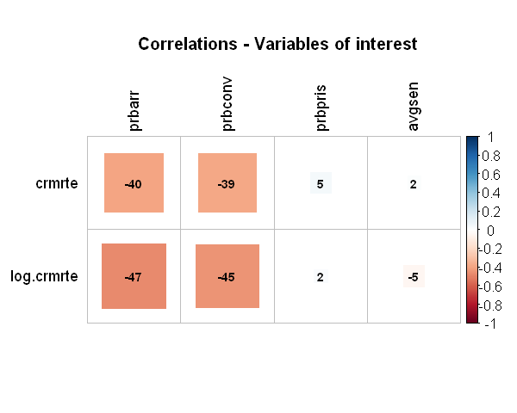
 | Variable | Predicted | Correlated with crime (EDA) | Relevant for public policy | Confounding variable | Included in the regression
1 | county | - | X | - | - | -
2 | year | - | - | - | - | -
3 | crmrte | X | - | - | - | X
4 | prbarr | - | X | X | - | X
5 | prbconv | - | X | X | - | X
6 | prbpris | - | - | X | - | -
7 | avgsen | - | - | X | - | -
8 | polpc | - | X | X | - | X
9 | density | - | X | - | X | X
10 | taxpc | - | X | X | - | X
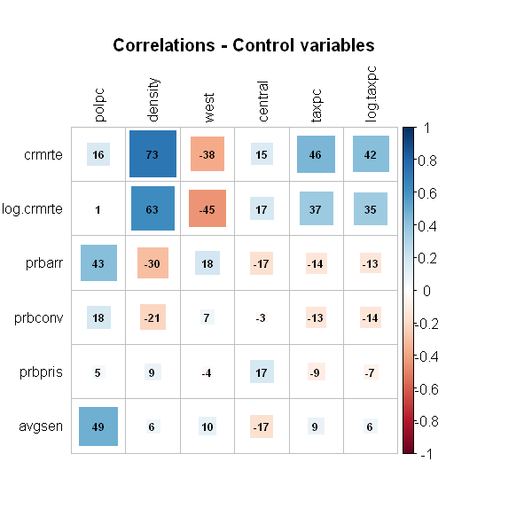
11 | west | - | X | - | - | -
12 | central | - | - | - | - | -
13 | urban | - | X | - | X | X
14 | pctmin80 | - | - | - | - | -
15 | wcon | - | X | X | - | X
16 | wtuc | - | - | X | - | -
17 | wtrd | - | X | X | - | X
18 | wfir | - | - | X | - | -
19 | wser | - | - | X | - | -
20 | wmfg | - | - | X | - | -
21 | wfed | - | X | X | - | X
22 | wsta | - | - | X | - | -
23 | wloc | - | - | X | - | -
24 | mix | - | - | - | - | -
25 | pctymle | - | - | - | - | -

